5. 3D CNN + LSTM + Time Dropou
 |  |  |  |  |  | Train |  |  |  |  | Validation |  |  |  |  | Test
Train Datetime | Dataset | Hyper-parameters | Model Definition |  | Epoch | Loss | Accuracy | Precision | Recall | F1-score | Loss | Accuracy | Precision | Recall | F1-score | Loss | Accuracy | Precision | Recall | F1-score
20200823-222735 | dataset120_sl3_vsr2_vw64_vh64_asr22050_mfcc Video + Audio | optimizer: {'name': 'Adam', 'learning_rate': 0.0001, 'decay': 0.0, 'beta_1': 0.9, 'beta_2': 0.999, 'epsilon': 1e-07, 'amsgrad': False} epochs: 200 batch size: 256 class weights: (1, 1) normalized class weights: [1. 1.] | # Video 3D Conv layers video_input = Input(video_input_shape) x = video_input x = Conv3D(16, (3, 3, 3), strides=(1, 1, 1), padding='same', activation='relu', kernel_initializer='he_uniform', kernel_regularizer=l2(weight_decay))(x) x = Conv3D(16, (3, 3, 3), strides=(1, 1, 1), padding='same', activation='relu', kernel_initializer='he_uniform', kernel_regularizer=l2(weight_decay))(x) x = MaxPool3D((2, 2, 2), strides=(2, 2, 2), padding='same')(x) x = Conv3D(32, (3, 3, 3), strides=(1, 1, 1), padding='same', activation='relu', kernel_initializer='he_uniform', kernel_regularizer=l2(weight_decay))(x) x = Conv3D(32, (3, 3, 3), strides=(1, 1, 1), padding='same', activation='relu', kernel_initializer='he_uniform', kernel_regularizer=l2(weight_decay))(x) x = MaxPool3D((2, 2, 2), strides=(2, 2, 2), padding='same')(x) video_output = Flatten()(x) # Audio 2D Conv layers audio_input = Input(audio_input_shape) x = expand_dims(audio_input) # add channel dim x = Conv2D(8, (3, 3), strides=(1, 1), padding='same', activation='relu', kernel_initializer='he_uniform', kernel_regularizer=l2(weight_decay))(x) x = Conv2D(8, (3, 3), strides=(1, 1), padding='same', activation='relu', kernel_initializer='he_uniform', kernel_regularizer=l2(weight_decay))(x) x = MaxPool2D((2, 2), strides=(2, 2), padding='same')(x) x = Conv2D(16, (3, 3), strides=(1, 1), padding='same', activation='relu', kernel_initializer='he_uniform', kernel_regularizer=l2(weight_decay))(x) x = Conv2D(16, (3, 3), strides=(1, 1), padding='same', activation='relu', kernel_initializer='he_uniform', kernel_regularizer=l2(weight_decay))(x) x = MaxPool2D((2, 2), strides=(2, 2), padding='same')(x) audio_output = Flatten()(x) # Make video/audio combined model for saving after train combined_output = concatenate([video_output, audio_output]) combined_model = Model(inputs=[video_input, audio_input], outputs=combined_output) # Fully-connected layers x = combined_output x = Dense(32, activation='relu', kernel_initializer='he_uniform', k | 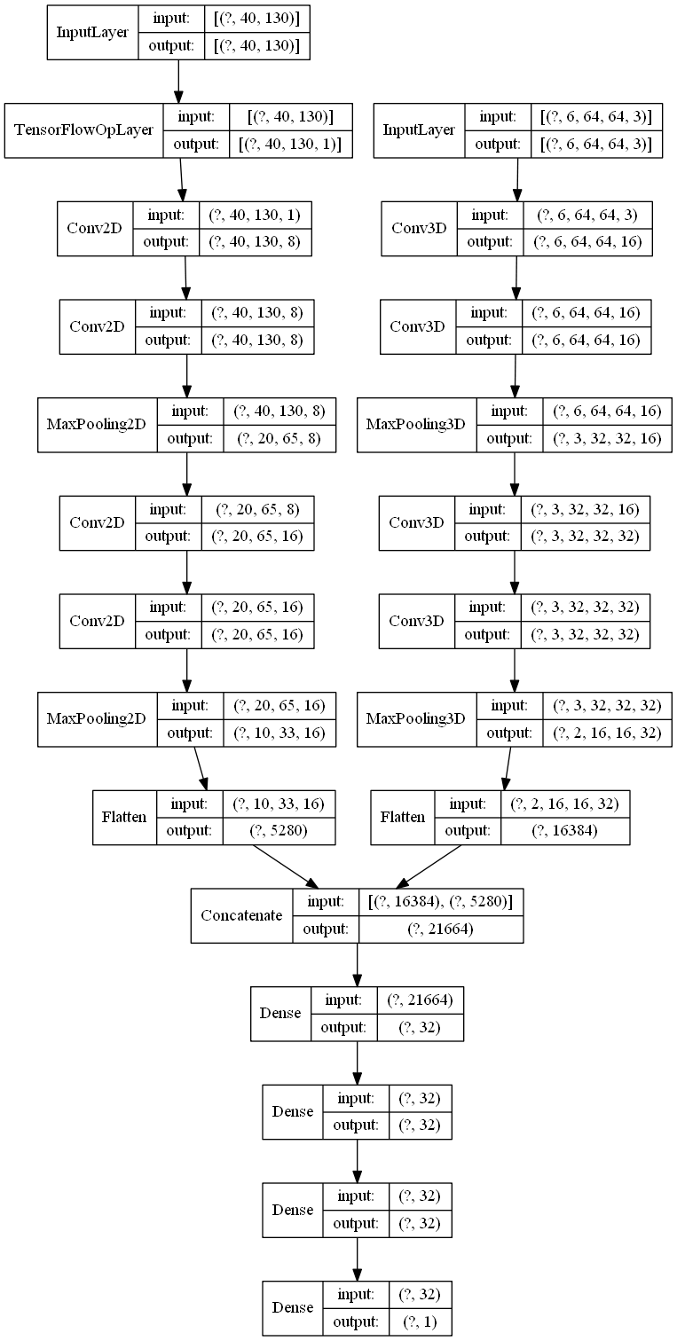 Layer (type) Output Shape Param # Connected to ======================================================================================================================================== input_2 (InputLayer) [(None, 40, 130)] 0 ________________________________________________________________________________________________________________________________________ input_1 (InputLayer) [(None, 6, 64, 64, 3)] 0 ________________________________________________________________________________________________________________________________________ tf_op_layer_ExpandDims (TensorFlowOpLayer) [(None, 40, 130, 1)] 0 input_2[0][0] ________________________________________________________________________________________________________________________________________ conv3d (Conv3D) (None, 6, 64, 64, 16) 1312 input_1[0][0] ________________________________________________________________________________________________________________________________________ conv2d (Conv2D) (None, 40, 130, 8) 80 tf_op_layer_ExpandDims[0][0] ________________________________________________________________________________________________________________________________________ conv3d_1 (Conv3D) (None, 6, 64, 64, 16) 6928 conv3d[0][0] ________________________________________________________________________________________________________________________________________ conv2d_1 (Conv2D) (None, 40, 130, 8) 584 | 20 | 0.3248 | 0.9408 | 0.7970 | 0.5552 | 0.6544 | 0.3475 | 0.9297 | 0.6864 | 0.6449 | 0.6650 |  | 0.9239 | 0.6456 | 0.6600 | 0.6527 | true_1, pred_1: (3585, 3665)
Base Model |  |  |  |  | 38 | 0.2381 | 0.9412 | 0.7983 | 0.5592 | 0.6577 | 0.2603 | 0.9332 | 0.7231 | 0.6208 | 0.6681 |  | 0.9259 | 0.6684 | 0.6273 | 0.6472 | true_1, pred_1: (3585, 3365)
Narrow & Deep |  |  |  |  | 57 | 0.2169 | 0.9425 | 0.8055 | 0.5679 | 0.6661 | 0.2510 | 0.9295 | 0.6808 | 0.6578 | 0.6691 |  | 0.9235 | 0.6449 | 0.6530 | 0.6489 | true_1, pred_1: (3585, 3630)

20200825-174729 | dataset120_sl3_vsr2_vw64_vh64_asr22050_mfcc Video + Audio | optimizer: {'name': 'Adam', 'learning_rate': 0.0001, 'decay': 0.0, 'beta_1': 0.9, 'beta_2': 0.999, 'epsilon': 1e-07, 'amsgrad': False} epochs: 200 batch size: 256 class weights: (1, 1) normalized class weights: [1. 1.] | # Video 3D Conv layers video_input = Input(video_input_shape, name='video_input') x = video_input x = Conv3D(32, 5, strides=1, padding='same', activation='relu', kernel_initializer='he_uniform', kernel_regularizer=l2(weight_decay))(x) x = MaxPool3D(2, strides=2, padding='same')(x) x = Conv3D(128, 3, strides=1, padding='same', activation='relu', kernel_initializer='he_uniform', kernel_regularizer=l2(weight_decay))(x) x = MaxPool3D(2, strides=2, padding='same')(x) video_output = Flatten(name='video_output')(x) # Audio 2D Conv layers audio_input = Input(audio_input_shape, name='audio_input') x = Reshape(audio_input_shape + [1])(audio_input) x = Conv2D(16, 5, strides=1, padding='same', activation='relu', kernel_initializer='he_uniform', kernel_regularizer=l2(weight_decay))(x) x = MaxPool2D(2, strides=2, padding='same')(x) x = Conv2D(32, 3, strides=1, padding='same', activation='relu', kernel_initializer='he_uniform', kernel_regularizer=l2(weight_decay))(x) x = MaxPool2D(2, strides=2, padding='same')(x) audio_output = Flatten(name='audio_output')(x) # Make video/audio combined model for saving after train combined_output = concatenate([video_output, audio_output]) # Fully-connected layers x = combined_output x = Dense(8, activation='relu', kernel_initializer='he_uniform', kernel_regularizer=l2(weight_decay))(x) fc_output = Dense(1, activation='sigmoid', kernel_initializer='he_uniform', kernel_regularizer=l2(weight_decay))(x) # Make entire model for training model = Model(inputs=[video_input, audio_input], outputs=fc_output) | 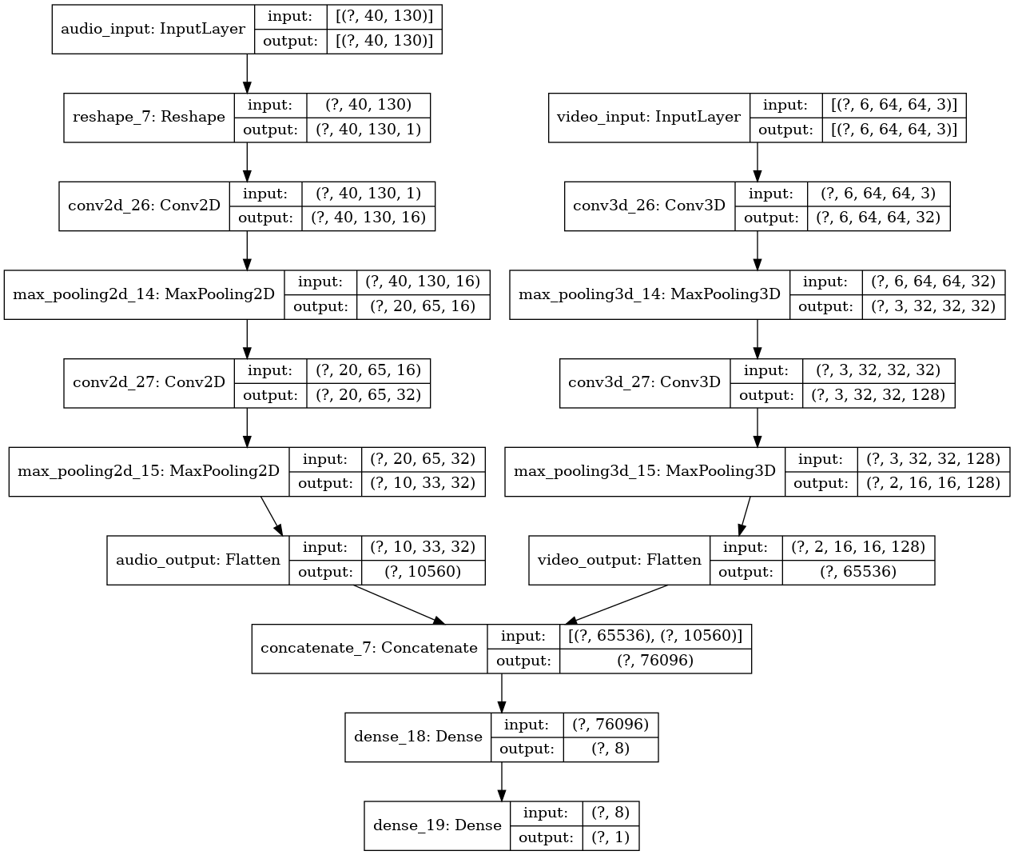 Layer (type) Output Shape Param # Connected to ======================================================================================================================================== audio_input (InputLayer) [(None, 40, 130)] 0 ________________________________________________________________________________________________________________________________________ video_input (InputLayer) [(None, 6, 64, 64, 3)] 0 ________________________________________________________________________________________________________________________________________ reshape_7 (Reshape) (None, 40, 130, 1) 0 audio_input[0][0] ________________________________________________________________________________________________________________________________________ conv3d_26 (Conv3D) (None, 6, 64, 64, 32) 12032 video_input[0][0] ________________________________________________________________________________________________________________________________________ conv2d_26 (Conv2D) (None, 40, 130, 16) 416 reshape_7[0][0] ________________________________________________________________________________________________________________________________________ max_pooling3d_14 (MaxPooling3D) (None, 3, 32, 32, 32) 0 conv3d_26[0][0] ________________________________________________________________________________________________________________________________________ max_pooling2d_14 (MaxPooling2D) (None, 20, 65, 16) 0 | 37 | 0.2066 | 0.9363 | 0.8038 | 0.4888 | 0.6079 | 0.2210 | 0.9333 | 0.7565 | 0.5667 | 0.6480 |  | 0.9284 | 0.7060 | 0.5808 | 0.6373 | true_1, pred_1: (3585, 2949)
Base Model |  |  |  |  | 51 | 0.2019 | 0.9371 | 0.8050 | 0.4983 | 0.6156 | 0.2190 | 0.9317 | 0.7305 | 0.5851 | 0.6498 |  | 0.9270 | 0.6848 | 0.6047 | 0.6423
Wide & Shallow

20200825-224904 | dataset120_sl3_vsr2_vw64_vh64_asr22050_mfcc Video + Audio | optimizer: {'name': 'Adam', 'learning_rate': 0.0001, 'decay': 0.0, 'beta_1': 0.9, 'beta_2': 0.999, 'epsilon': 1e-07, 'amsgrad': False} epochs: 200 batch size: 256 class weights: (1, 1) normalized class weights: [1. 1.] | # Video 3D Conv layers video_input = Input(video_input_shape, name='video_input') x = video_input x = Conv3D(16, 3, strides=1, padding='same', activation='relu', kernel_initializer='he_uniform', kernel_regularizer=l2(weight_decay))(x) x = MaxPool3D(2, strides=2, padding='same')(x) video_output = Flatten(name='video_output')(x) # Audio 2D Conv layers audio_input = Input(audio_input_shape, name='audio_input') x = Reshape(audio_input_shape + [1])(audio_input) x = Conv2D(8, 3, strides=1, padding='same', activation='relu', kernel_initializer='he_uniform', kernel_regularizer=l2(weight_decay))(x) x = MaxPool2D(2, strides=2, padding='same')(x) audio_output = Flatten(name='audio_output')(x) # Make video/audio combined model for saving after train combined_output = concatenate([video_output, audio_output]) # Fully-connected layers x = combined_output x = Dense(16, activation='relu', kernel_initializer='he_uniform', kernel_regularizer=l2(weight_decay))(x) fc_output = Dense(1, activation='sigmoid', kernel_initializer='he_uniform', kernel_regularizer=l2(weight_decay))(x) # Make entire model for training model = Model(inputs=[video_input, audio_input], outputs=fc_output) | 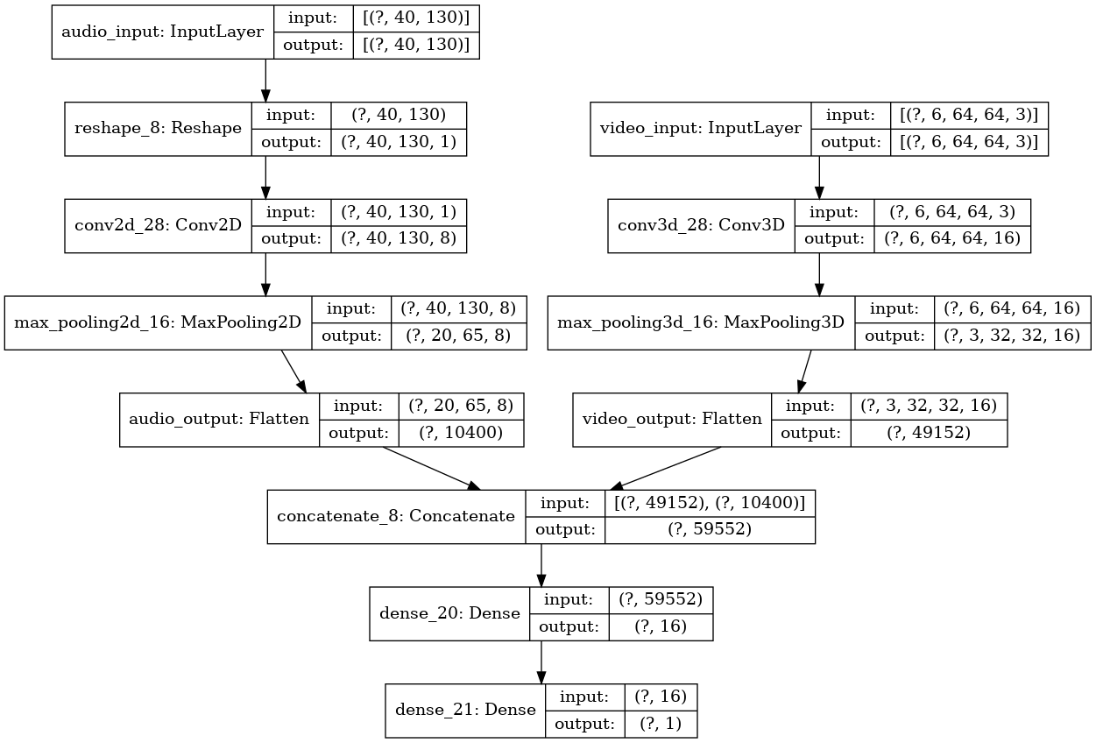 Layer (type) Output Shape Param # Connected to ======================================================================================================================================== audio_input (InputLayer) [(None, 40, 130)] 0 ________________________________________________________________________________________________________________________________________ video_input (InputLayer) [(None, 6, 64, 64, 3)] 0 ________________________________________________________________________________________________________________________________________ reshape_8 (Reshape) (None, 40, 130, 1) 0 audio_input[0][0] ________________________________________________________________________________________________________________________________________ conv3d_28 (Conv3D) (None, 6, 64, 64, 16) 1312 video_input[0][0] ________________________________________________________________________________________________________________________________________ conv2d_28 (Conv2D) (None, 40, 130, 8) 80 reshape_8[0][0] ________________________________________________________________________________________________________________________________________ max_pooling3d_16 (MaxPooling3D) (None, 3, 32, 32, 16) 0 conv3d_28[0][0] ________________________________________________________________________________________________________________________________________ max_pooling2d_16 (MaxPooling2D) (None, 20, 65, 8) 0 | 26 | 0.2033 | 0.9422 | 0.8195 | 0.5485 | 0.6571 | 0.2487 | 0.9271 | 0.6575 | 0.6816 | 0.6693 |  | 0.9197 | 0.6152 | 0.6918 | 0.6513 | true_1, pred_1: (3585, 4031)
Base Model |  |  |  |  | 64 | 0.1862 | 0.9434 | 0.8209 | 0.5629 | 0.6679 | 0.2157 | 0.9327 | 0.7180 | 0.6234 | 0.6674 |  | 0.9287 | 0.6788 | 0.6480 | 0.6631 | true_1, pred_1: (3585, 3422)
Narrow & Shallow |  |  |  |  | 67 | 0.1852 | 0.9438 | 0.8249 | 0.5640 | 0.6700 | 0.2252 | 0.9303 | 0.6821 | 0.6668 | 0.6744 |  | 0.9228 | 0.6343 | 0.6789 | 0.6559 | true_1, pred_1: (3585, 3837)
 |  |  |  |  | 92 | 0.1846 | 0.9433 | 0.8180 | 0.5646 | 0.6681 | 0.2140 | 0.9327 | 0.7169 | 0.6256 | 0.6682 |  | 0.9282 | 0.6749 | 0.6513 | 0.6629 | true_1, pred_1: (3585, 3460)

20200826-080244 | dataset120_sl3_vsr2_vw64_vh64_asr22050_mfcc Video + Audio | optimizer: {'name': 'Adam', 'learning_rate': 0.0001, 'decay': 0.0, 'beta_1': 0.9, 'beta_2': 0.999, 'epsilon': 1e-07, 'amsgrad': False} epochs: 200 batch size: 256 class weights: (1, 1) normalized class weights: [1. 1.] | # Video 3D Conv layers video_input = Input(video_input_shape, name='video_input') x = video_input x = Conv3D(16, 3, strides=1, padding='same', activation='relu', kernel_initializer='he_uniform', kernel_regularizer=l2(weight_decay))(x) x = Dropout(0.2)(x) x = MaxPool3D(2, strides=2, padding='same')(x) video_output = Flatten(name='video_output')(x) # Audio 2D Conv layers audio_input = Input(audio_input_shape, name='audio_input') x = Reshape(audio_input_shape + [1])(audio_input) x = Conv2D(8, 3, strides=1, padding='same', activation='relu', kernel_initializer='he_uniform', kernel_regularizer=l2(weight_decay))(x) x = Dropout(0.2)(x) x = MaxPool2D(2, strides=2, padding='same')(x) audio_output = Flatten(name='audio_output')(x) # Make video/audio combined model for saving after train combined_output = concatenate([video_output, audio_output]) combined_model = Model(inputs=[video_input, audio_input], outputs=combined_output) # Fully-connected layers x = combined_output x = Dense(16, activation='relu', kernel_initializer='he_uniform', kernel_regularizer=l2(weight_decay))(x) x = Dropout(0.2)(x) fc_output = Dense(1, activation='sigmoid', kernel_initializer='he_uniform', kernel_regularizer=l2(weight_decay))(x) # Make entire model for training model = Model(inputs=[video_input, audio_input], outputs=fc_output) | 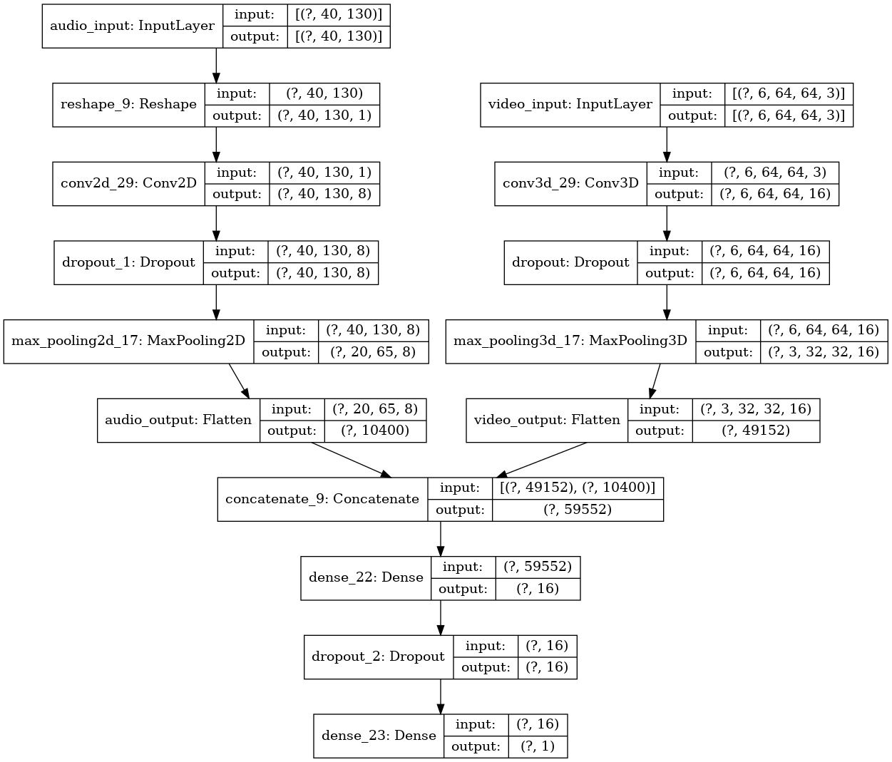 Layer (type) Output Shape Param # Connected to ======================================================================================================================================== audio_input (InputLayer) [(None, 40, 130)] 0 ________________________________________________________________________________________________________________________________________ video_input (InputLayer) [(None, 6, 64, 64, 3)] 0 ________________________________________________________________________________________________________________________________________ reshape_9 (Reshape) (None, 40, 130, 1) 0 audio_input[0][0] ________________________________________________________________________________________________________________________________________ conv3d_29 (Conv3D) (None, 6, 64, 64, 16) 1312 video_input[0][0] ________________________________________________________________________________________________________________________________________ conv2d_29 (Conv2D) (None, 40, 130, 8) 80 reshape_9[0][0] ________________________________________________________________________________________________________________________________________ dropout (Dropout) (None, 6, 64, 64, 16) 0 conv3d_29[0][0] ________________________________________________________________________________________________________________________________________ dropout_1 (Dropout) (None, 40, 130, 8) | 54 | 0.2044 | 0.9411 | 0.7955 | 0.5609 | 0.6579 | 0.2238 | 0.9334 | 0.7276 | 0.6160 | 0.6671 |  | 0.9287 | 0.6813 | 0.6421 | 0.6611 | true_1, pred_1: (3585, 3379)
Base Model |  |  |  |  | 66 | 0.2004 | 0.9411 | 0.7920 | 0.5665 | 0.6606 | 0.2150 | 0.9347 | 0.7467 | 0.6002 | 0.6655 |  | 0.9310 | 0.7051 | 0.6248 | 0.6625 | true_1, pred_1: (3585, 3177)
Narrow & Shallow |  |  |  |  | 74 | 0.1992 | 0.9412 | 0.7933 | 0.5659 | 0.6606 | 0.2180 | 0.9330 | 0.7242 | 0.6150 | 0.6652 |  | 0.9291 | 0.6839 | 0.6421 | 0.6624 | true_1, pred_1: (3585, 3366)
Dropout 0.2 |  |  |  |  | 88 | 0.1984 | 0.9409 | 0.7951 | 0.5596 | 0.6569 | 0.2254 | 0.9325 | 0.7038 | 0.6497 | 0.6757 |  | 0.9249 | 0.6489 | 0.6681 | 0.6583 | true_1, pred_1: (3585, 3691)

20200826-142820 | dataset120_sl3_vsr2_vw64_vh64_asr22050_mfcc Video + Audio x_expand = 2 | optimizer: {'name': 'Adam', 'learning_rate': 0.0001, 'decay': 0.0, 'beta_1': 0.9, 'beta_2': 0.999, 'epsilon': 1e-07, 'amsgrad': False} epochs: 200 batch size: 256 class weights: (1, 1) normalized class weights: [1. 1.] base model: ckpt-20200825-224904-0064-0.6674-0.6631 | # Load pretrained models saved_model_name = checkpoint_name + '_model' video_model_name = saved_model_name + '_video' audio_model_name = saved_model_name + '_audio' video_model_path = os.path.join(ckpt_dir, video_model_name + '.h5') audio_model_path = os.path.join(ckpt_dir, audio_model_name + '.h5') video_model = load_model(video_model_path) audio_model = load_model(audio_model_path) video_model.trainable = audio_model.trainable = False # Input layers video_seq_input = Input(video_seq_input_shape) audio_seq_input = Input(audio_seq_input_shape) # Combine video/audio layers video_seq_output = TimeDistributed(video_model)(video_seq_input) audio_seq_output = TimeDistributed(audio_model)(audio_seq_input) combined_seq_output = concatenate([video_seq_output, audio_seq_output]) # LSTM layers x = combined_seq_output x = Bidirectional(LSTM(16, activation='tanh', kernel_initializer='he_uniform', kernel_regularizer=l2(weight_decay)))(x) # Fully-connected layers x = Dense(16, activation='relu', kernel_initializer='he_uniform', kernel_regularizer=l2(weight_decay))(x) # x = Dropout(0.2)(x) fc_output = Dense(1, activation='sigmoid', kernel_initializer='he_uniform', kernel_regularizer=l2(weight_decay))(x) model = Model(inputs=[video_seq_input, audio_seq_input], outputs=fc_output) | 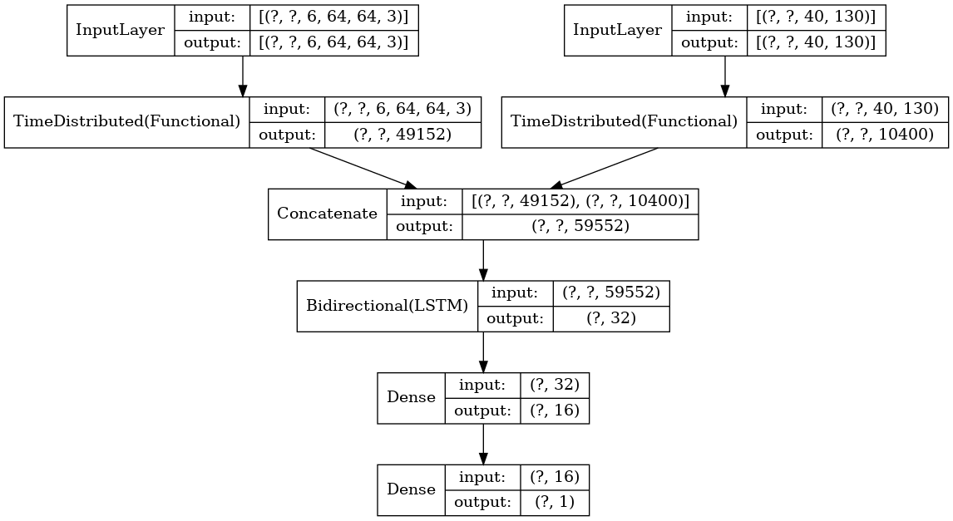 Layer (type) Output Shape Param # Connected to ======================================================================================================================================== input_13 (InputLayer) [(None, None, 6, 64, 64, 3)] 0 ________________________________________________________________________________________________________________________________________ input_14 (InputLayer) [(None, None, 40, 130)] 0 ________________________________________________________________________________________________________________________________________ time_distributed_12 (TimeDistributed) (None, None, 49152) 1312 input_13[0][0] ________________________________________________________________________________________________________________________________________ time_distributed_13 (TimeDistributed) (None, None, 10400) 80 input_14[0][0] ________________________________________________________________________________________________________________________________________ concatenate_16 (Concatenate) (None, None, 59552) 0 time_distributed_12[0][0] time_distributed_13[0][0] ________________________________________________________________________________________________________________________________________ bidirectional_3 (Bidirectional) (None, 32) 7624832 concatenate_16[0][0] __________________________________________________________________________________ | 9 | 0.2124 | 0.9553 | 0.8272 | 0.7048 | 0.7611 | 0.2507 | 0.9353 | 0.6788 | 0.7646 | 0.7191 |  | 0.9208 | 0.6061 | 0.7671 | 0.6772
Transfer Learning |  |  |  |  | 14 | 0.1832 | 0.9590 | 0.8390 | 0.7362 | 0.7842 | 0.2271 | 0.9395 | 0.7080 | 0.7504 | 0.7286 |  | 0.9263 | 0.6356 | 0.7484 | 0.6874 | true_1, pred_1: (3585, 4221)
Bi-LSTM(tanh) |  |  |  |  | 15 | 0.1780 | 0.9599 | 0.8415 | 0.7434 | 0.7894 | 0.2207 | 0.9419 | 0.7434 | 0.7073 | 0.7249 |  | 0.9346 | 0.6947 | 0.7071 | 0.7009 | true_1, pred_1: (3585, 3649)
 |  |  |  |  | 22 | 0.1570 | 0.9659 | 0.8673 | 0.7828 | 0.8229 | 0.2184 | 0.9402 | 0.7349 | 0.6999 | 0.7170 |  | 0.9309 | 0.6723 | 0.7057 | 0.6886

20200826-190129 | dataset120_sl3_vsr2_vw64_vh64_asr22050_mfcc Video + Audio x_expand = 2 | optimizer: {'name': 'Adam', 'learning_rate': 0.0001, 'decay': 0.0, 'beta_1': 0.9, 'beta_2': 0.999, 'epsilon': 1e-07, 'amsgrad': False} epochs: 200 batch size: 256 class weights: (1, 1) normalized class weights: [1. 1.] base model: ckpt-20200826-080244-0066-0.6655-0.6625 | # Load pretrained models saved_model_name = checkpoint_name + '_model' video_model_name = saved_model_name + '_video' audio_model_name = saved_model_name + '_audio' video_model_path = os.path.join(ckpt_dir, video_model_name + '.h5') audio_model_path = os.path.join(ckpt_dir, audio_model_name + '.h5') video_model = load_model(video_model_path) audio_model = load_model(audio_model_path) video_model.trainable = audio_model.trainable = False # Input layers video_seq_input = Input(video_seq_input_shape) audio_seq_input = Input(audio_seq_input_shape) # Combine video/audio layers video_seq_output = TimeDistributed(video_model)(video_seq_input) audio_seq_output = TimeDistributed(audio_model)(audio_seq_input) combined_seq_output = concatenate([video_seq_output, audio_seq_output]) # LSTM layers x = combined_seq_output x = Bidirectional(LSTM(16, activation='tanh', kernel_initializer='he_uniform', kernel_regularizer=l2(weight_decay)))(x) x = Dropout(0.2)(x) # Fully-connected layers x = Dense(16, activation='relu', kernel_initializer='he_uniform', kernel_regularizer=l2(weight_decay))(x) x = Dropout(0.2)(x) fc_output = Dense(1, activation='sigmoid', kernel_initializer='he_uniform', kernel_regularizer=l2(weight_decay))(x) model = Model(inputs=[video_seq_input, audio_seq_input], outputs=fc_output) | 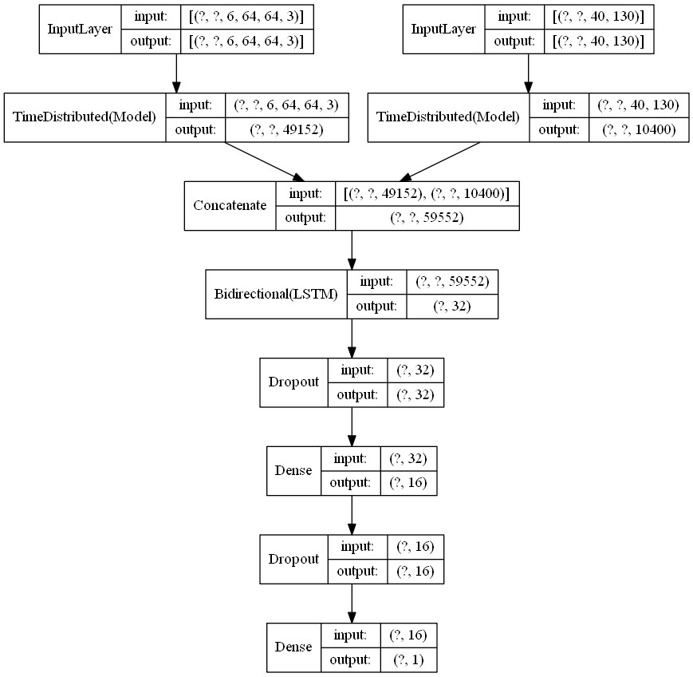 Layer (type) Output Shape Param # Connected to ======================================================================================================================================== input_1 (InputLayer) [(None, None, 6, 64, 64, 3)] 0 ________________________________________________________________________________________________________________________________________ input_2 (InputLayer) [(None, None, 40, 130)] 0 ________________________________________________________________________________________________________________________________________ time_distributed (TimeDistributed) (None, None, 49152) 1312 input_1[0][0] ________________________________________________________________________________________________________________________________________ time_distributed_1 (TimeDistributed) (None, None, 10400) 80 input_2[0][0] ________________________________________________________________________________________________________________________________________ concatenate (Concatenate) (None, None, 59552) 0 time_distributed[0][0] time_distributed_1[0][0] ________________________________________________________________________________________________________________________________________ bidirectional (Bidirectional) (None, 32) 7624832 concatenate[0][0] ____________________________________________________________________ | 7 | 0.2316 | 0.9526 | 0.8124 | 0.6900 | 0.7462 | 0.2426 | 0.9415 | 0.7484 | 0.6928 | 0.7196 |  | 0.9352 | 0.7017 | 0.6982 | 0.6999
Transfer Learning |  |  |  |  | 13 |  |  |  |  |  | 0.2204 | 0.9405 | 0.7246 | 0.7263 | 0.7255 |  | 0.9279 | 0.6491 | 0.7275 | 0.6860
Bi-LSTM(tanh) |  |  |  |  | 20 | 0.1577 | 0.9666 | 0.8648 | 0.7939 | 0.8277 | 0.2197 | 0.9412 | 0.7515 | 0.6829 | 0.7155 |  | 0.9305 | 0.6770 | 0.6854 | 0.6812
Dropout 0.2 |  |  |  |  | 22 | 0.1511 | 0.9686 | 0.8750 | 0.8037 | 0.8378 | 0.2239 | 0.9337 | 0.6692 | 0.7665 | 0.7145 |  | 0.9149 | 0.5813 | 0.7668 | 0.6613

20200826-223214 | dataset120_sl3_vsr2_vw64_vh64_asr22050_mfcc Video + Audio x_expand = 2 | optimizer: {'name': 'Adam', 'learning_rate': 0.0001, 'decay': 0.0, 'beta_1': 0.9, 'beta_2': 0.999, 'epsilon': 1e-07, 'amsgrad': False} epochs: 200 batch size: 256 class weights: (1, 4) normalized class weights: [0.76214535 3.0485814 ] base model: ckpt-20200825-224904-0064-0.6674-0.6631 | # Load pretrained models saved_model_name = checkpoint_name + '_model' video_model_name = saved_model_name + '_video' audio_model_name = saved_model_name + '_audio' video_model_path = os.path.join(ckpt_dir, video_model_name + '.h5') audio_model_path = os.path.join(ckpt_dir, audio_model_name + '.h5') video_model = load_model(video_model_path) audio_model = load_model(audio_model_path) video_model.trainable = audio_model.trainable = False # Input layers video_seq_input = Input(video_seq_input_shape) audio_seq_input = Input(audio_seq_input_shape) # Combine video/audio layers video_seq_output = TimeDistributed(video_model)(video_seq_input) audio_seq_output = TimeDistributed(audio_model)(audio_seq_input) combined_seq_output = concatenate([video_seq_output, audio_seq_output]) # LSTM layers x = combined_seq_output x = Bidirectional(LSTM(16, activation='relu', kernel_initializer='he_uniform', kernel_regularizer=l2(weight_decay)))(x) # Fully-connected layers x = Dense(16, activation='relu', kernel_initializer='he_uniform', kernel_regularizer=l2(weight_decay))(x) # x = Dropout(0.2)(x) fc_output = Dense(1, activation='sigmoid', kernel_initializer='he_uniform', kernel_regularizer=l2(weight_decay))(x) model = Model(inputs=[video_seq_input, audio_seq_input], outputs=fc_output) | Layer (type) Output Shape Param # Connected to ======================================================================================================================================== input_13 (InputLayer) [(None, None, 6, 64, 64, 3)] 0 ________________________________________________________________________________________________________________________________________ input_14 (InputLayer) [(None, None, 40, 130)] 0 ________________________________________________________________________________________________________________________________________ time_distributed_12 (TimeDistributed) (None, None, 49152) 1312 input_13[0][0] ________________________________________________________________________________________________________________________________________ time_distributed_13 (TimeDistributed) (None, None, 10400) 80 input_14[0][0] ________________________________________________________________________________________________________________________________________ concatenate_16 (Concatenate) (None, None, 59552) 0 time_distributed_12[0][0] time_distributed_13[0][0] ________________________________________________________________________________________________________________________________________ bidirectional_3 (Bidirectional) (None, 32) 7624832 concatenate_16[0][0] __________________________________________________________________________________ | 3 | 0.4059 | 0.9344 | 0.6310 | 0.8461 | 0.7229 | 0.3420 | 0.9373 | 0.6841 | 0.7822 | 0.7299 |  | 0.9253 | 0.6228 | 0.7866 | 0.6952
Transfer Learning |  |  |  |  | 6 | 0.3109 | 0.9416 | 0.6595 | 0.8725 | 0.7512 | 0.2788 | 0.9406 | 0.7152 | 0.7494 | 0.7319 |  | 0.9288 | 0.6471 | 0.7548 | 0.6968
Bi-LSTM(relu) |  |  |  |  | 7 | 0.2853 | 0.9469 | 0.6824 | 0.8883 | 0.7718 | 0.2710 | 0.9408 | 0.7141 | 0.7552 | 0.7341 |  | 0.9313 | 0.6600 | 0.7543 | 0.7040
CW 1:4 |  |  |  |  | 8 | 0.2745 | 0.9459 | 0.6768 | 0.8893 | 0.7687 | 0.2651 | 0.9418 | 0.7361 | 0.7215 | 0.7287 |  | 0.9327 | 0.6788 | 0.7197 | 0.6986

20200827-014747 | dataset120_sl3_vsr2_vw64_vh64_asr22050_mfcc Video + Audio x_expand = 2 | optimizer: {'name': 'Adam', 'learning_rate': 0.0001, 'decay': 0.0, 'beta_1': 0.9, 'beta_2': 0.999, 'epsilon': 1e-07, 'amsgrad': False} epochs: 200 batch size: 256 class weights: (1, 4) normalized class weights: [0.76214535 3.0485814 ] base model: ckpt-20200826-080244-0066-0.6655-0.6625 | # Load pretrained models saved_model_name = checkpoint_name + '_model' video_model_name = saved_model_name + '_video' audio_model_name = saved_model_name + '_audio' video_model_path = os.path.join(ckpt_dir, video_model_name + '.h5') audio_model_path = os.path.join(ckpt_dir, audio_model_name + '.h5') video_model = load_model(video_model_path) audio_model = load_model(audio_model_path) video_model.trainable = audio_model.trainable = False # Input layers video_seq_input = Input(video_seq_input_shape) audio_seq_input = Input(audio_seq_input_shape) # Combine video/audio layers video_seq_output = TimeDistributed(video_model)(video_seq_input) audio_seq_output = TimeDistributed(audio_model)(audio_seq_input) combined_seq_output = concatenate([video_seq_output, audio_seq_output]) # LSTM layers x = combined_seq_output x = Bidirectional(LSTM(16, activation='tanh', kernel_initializer='he_uniform', kernel_regularizer=l2(weight_decay)))(x) x = Dropout(0.3)(x) # Fully-connected layers x = Dense(16, activation='relu', kernel_initializer='he_uniform', kernel_regularizer=l2(weight_decay))(x) x = Dropout(0.3)(x) fc_output = Dense(1, activation='sigmoid', kernel_initializer='he_uniform', kernel_regularizer=l2(weight_decay))(x) model = Model(inputs=[video_seq_input, audio_seq_input], outputs=fc_output) | Layer (type) Output Shape Param # Connected to ======================================================================================================================================== input_13 (InputLayer) [(None, None, 6, 64, 64, 3)] 0 ________________________________________________________________________________________________________________________________________ input_14 (InputLayer) [(None, None, 40, 130)] 0 ________________________________________________________________________________________________________________________________________ time_distributed_12 (TimeDistributed) (None, None, 49152) 1312 input_13[0][0] ________________________________________________________________________________________________________________________________________ time_distributed_13 (TimeDistributed) (None, None, 10400) 80 input_14[0][0] ________________________________________________________________________________________________________________________________________ concatenate_16 (Concatenate) (None, None, 59552) 0 time_distributed_12[0][0] time_distributed_13[0][0] ________________________________________________________________________________________________________________________________________ bidirectional_3 (Bidirectional) (None, 32) 7624832 concatenate_16[0][0] __________________________________________________________________________________ | 4 | 0.4068 | 0.9242 | 0.5953 | 0.7812 | 0.6757 | 0.3028 | 0.9406 | 0.7098 | 0.7629 | 0.7354 |  | 0.9311 | 0.6557 | 0.7671 | 0.7070
Transfer Learning |  |  |  |  | 8 | 0.3088 | 0.9342 | 0.6302 | 0.8439 | 0.7216 | 0.2649 | 0.9379 | 0.6850 | 0.7903 | 0.7339 |  | 0.9257 | 0.6235 | 0.7927 | 0.6980
Bi-LSTM(relu) |  |  |  |  | 9 | 0.2937 | 0.9329 | 0.6221 | 0.8573 | 0.7210 | 0.2471 | 0.9417 | 0.7276 | 0.7382 | 0.7329 |  | 0.9351 | 0.6849 | 0.7423 | 0.7124 | true_1, pred_1: (3585, 3422)
CW 1:4 |  |  |  |  | 16 | 0.2371 | 0.9430 | 0.6599 | 0.9000 | 0.7614 | 0.2550 | 0.9398 | 0.7042 | 0.7658 | 0.7337 |  | 0.9264 | 0.6277 | 0.7872 | 0.6984
Dropout 0.3

20200827-040316 | dataset120_sl3_vsr2_vw64_vh64_asr22050_mfcc Video + Audio + Time x_expand = 2 | optimizer: {'name': 'Adam', 'learning_rate': 0.0001, 'decay': 0.0, 'beta_1': 0.9, 'beta_2': 0.999, 'epsilon': 1e-07, 'amsgrad': False} epochs: 200 batch size: 256 class weights: (1, 4) normalized class weights: [0.76214535 3.0485814 ] base model: ckpt-20200825-224904-0064-0.6674-0.6631 | # Load pretrained models saved_model_name = checkpoint_name + '_model' video_model_name = saved_model_name + '_video' audio_model_name = saved_model_name + '_audio' video_model_path = os.path.join(ckpt_dir, video_model_name + '.h5') audio_model_path = os.path.join(ckpt_dir, audio_model_name + '.h5') video_model = load_model(video_model_path) audio_model = load_model(audio_model_path) video_model.trainable = audio_model.trainable = False # Input layers video_seq_input = Input(video_seq_input_shape) audio_seq_input = Input(audio_seq_input_shape) time_input = Input(1) # Combine video/audio layers video_seq_output = TimeDistributed(video_model)(video_seq_input) audio_seq_output = TimeDistributed(audio_model)(audio_seq_input) combined_seq_output = concatenate([video_seq_output, audio_seq_output]) # LSTM layers x = combined_seq_output x = Bidirectional(LSTM(16, activation='relu', kernel_initializer='he_uniform', kernel_regularizer=l2(weight_decay)))(x) # Fully-connected layers x = concatenate([x, time_input]) x = Dense(16, activation='relu', kernel_initializer='he_uniform', kernel_regularizer=l2(weight_decay))(x) # x = Dropout(0.2)(x) fc_output = Dense(1, activation='sigmoid', kernel_initializer='he_uniform', kernel_regularizer=l2(weight_decay))(x) model = Model(inputs=[video_seq_input, audio_seq_input], outputs=fc_output) | 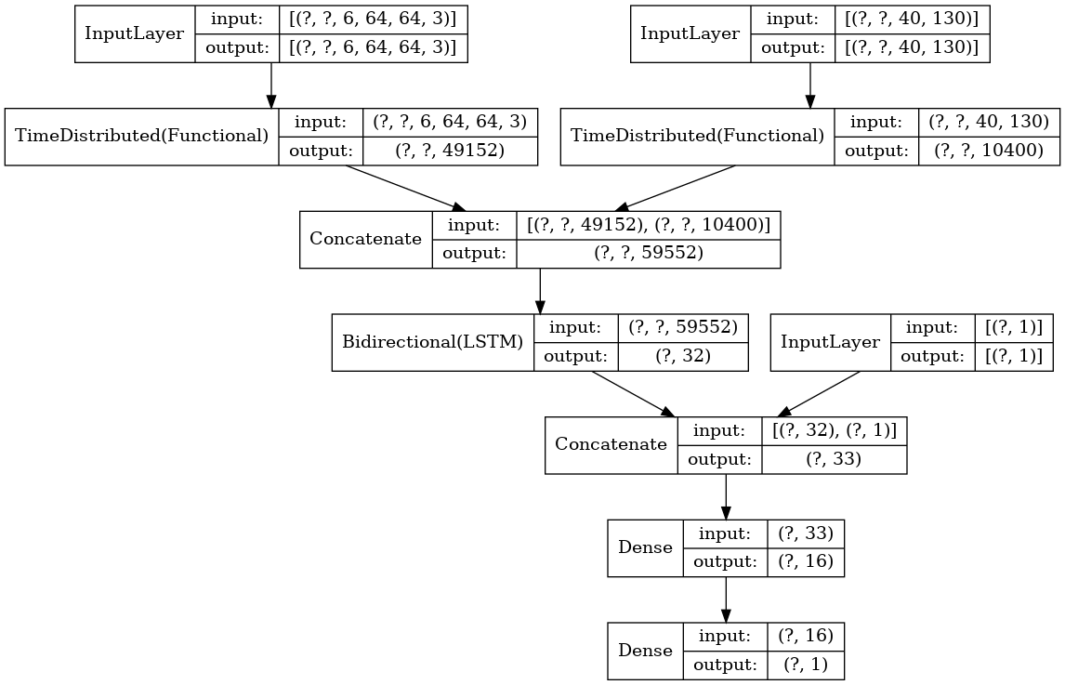 Layer (type) Output Shape Param # Connected to ======================================================================================================================================== input_21 (InputLayer) [(None, None, 6, 64, 64, 3)] 0 ________________________________________________________________________________________________________________________________________ input_22 (InputLayer) [(None, None, 40, 130)] 0 ________________________________________________________________________________________________________________________________________ time_distributed_20 (TimeDistributed) (None, None, 49152) 1312 input_21[0][0] ________________________________________________________________________________________________________________________________________ time_distributed_21 (TimeDistributed) (None, None, 10400) 80 input_22[0][0] ________________________________________________________________________________________________________________________________________ concatenate_20 (Concatenate) (None, None, 59552) 0 time_distributed_20[0][0] time_distributed_21[0][0] ________________________________________________________________________________________________________________________________________ bidirectional_7 (Bidirectional) (None, 32) 7624832 concatenate_20[0][0] __________________________________________________________________________________ | 4 | 0.3590 | 0.9360 | 0.6365 | 0.8535 | 0.7292 | 0.2945 | 0.9406 | 0.7247 | 0.7272 | 0.7260 |  | 0.9345 | 0.6846 | 0.7331 | 0.7080
Transfer Learning |  |  |  |  | 10 | 0.2435 | 0.9479 | 0.6855 | 0.8948 | 0.7763 | 0.2470 | 0.9384 | 0.6997 | 0.7546 | 0.7261 |  | 0.9272 | 0.6402 | 0.7495 | 0.6906
Bi-LSTM(relu) |  |  |  |  | 19 | 0.2033 | 0.9543 | 0.7132 | 0.9161 | 0.8020 | 0.2454 | 0.9408 | 0.7353 | 0.7086 | 0.7217 |  | 0.9326 | 0.6851 | 0.6999 | 0.6924
CW 1:4
Time

20200827-075343 | dataset120_sl3_vsr2_vw64_vh64_asr22050_mfcc Video + Audio x_expand = 4 | optimizer: {'name': 'Adam', 'learning_rate': 0.0001, 'decay': 0.0, 'beta_1': 0.9, 'beta_2': 0.999, 'epsilon': 1e-07, 'amsgrad': False} epochs: 200 batch size: 256 class weights: (1, 4) normalized class weights: [0.76214535 3.0485814 ] base model: ckpt-20200826-080244-0066-0.6655-0.6625 | # Load pretrained models saved_model_name = checkpoint_name + '_model' video_model_name = saved_model_name + '_video' audio_model_name = saved_model_name + '_audio' video_model_path = os.path.join(ckpt_dir, video_model_name + '.h5') audio_model_path = os.path.join(ckpt_dir, audio_model_name + '.h5') video_model = load_model(video_model_path) audio_model = load_model(audio_model_path) video_model.trainable = audio_model.trainable = False # Input layers video_seq_input = Input(video_seq_input_shape) audio_seq_input = Input(audio_seq_input_shape) # Combine video/audio layers video_seq_output = TimeDistributed(video_model)(video_seq_input) audio_seq_output = TimeDistributed(audio_model)(audio_seq_input) combined_seq_output = concatenate([video_seq_output, audio_seq_output]) # LSTM layers x = combined_seq_output x = Bidirectional(LSTM(16, activation='tanh', kernel_initializer='he_uniform', kernel_regularizer=l2(weight_decay)))(x) x = Dropout(0.3)(x) # Fully-connected layers x = Dense(16, activation='relu', kernel_initializer='he_uniform', kernel_regularizer=l2(weight_decay))(x) x = Dropout(0.3)(x) fc_output = Dense(1, activation='sigmoid', kernel_initializer='he_uniform', kernel_regularizer=l2(weight_decay))(x) model = Model(inputs=[video_seq_input, audio_seq_input], outputs=fc_output) | Layer (type) Output Shape Param # Connected to ======================================================================================================================================== input_13 (InputLayer) [(None, None, 6, 64, 64, 3)] 0 ________________________________________________________________________________________________________________________________________ input_14 (InputLayer) [(None, None, 40, 130)] 0 ________________________________________________________________________________________________________________________________________ time_distributed_12 (TimeDistributed) (None, None, 49152) 1312 input_13[0][0] ________________________________________________________________________________________________________________________________________ time_distributed_13 (TimeDistributed) (None, None, 10400) 80 input_14[0][0] ________________________________________________________________________________________________________________________________________ concatenate_16 (Concatenate) (None, None, 59552) 0 time_distributed_12[0][0] time_distributed_13[0][0] ________________________________________________________________________________________________________________________________________ bidirectional_3 (Bidirectional) (None, 32) 7624832 concatenate_16[0][0] __________________________________________________________________________________ | 7 | 0.3765 | 0.9055 | 0.5203 | 0.8269 | 0.6387 | 0.2790 | 0.9300 | 0.6482 | 0.7732 | 0.7052 |  | 0.9194 | 0.5948 | 0.8028 | 0.6833
Transfer Learning |  |  |  |  | 8 | 0.3432 | 0.9151 | 0.5518 | 0.8493 | 0.6689 | 0.2636 | 0.9352 | 0.6973 | 0.7099 | 0.7035 |  | 0.9274 | 0.6409 | 0.7506 | 0.6914
Bi-LSTM(relu) |  |  |  |  | 9 | 0.3271 | 0.9207 | 0.5715 | 0.8634 | 0.6877 | 0.2923 | 0.9071 | 0.5444 | 0.8723 | 0.6704 |  | 0.8863 | 0.4862 | 0.8764 | 0.6255
CW 1:4
Dropout 0.3
Sequence 9

20200827-120343 | dataset120_sl3_vsr2_vw64_vh64_asr22050_mfcc Video + Audio x_expand = 3 | optimizer: {'name': 'Adam', 'learning_rate': 0.0001, 'decay': 0.0, 'beta_1': 0.9, 'beta_2': 0.999, 'epsilon': 1e-07, 'amsgrad': False} epochs: 200 batch size: 256 class weights: (1, 4) normalized class weights: [0.76214535 3.0485814 ] base model: ckpt-20200826-080244-0066-0.6655-0.6625 | # Load pretrained models saved_model_name = checkpoint_name + '_model' video_model_name = saved_model_name + '_video' audio_model_name = saved_model_name + '_audio' video_model_path = os.path.join(ckpt_dir, video_model_name + '.h5') audio_model_path = os.path.join(ckpt_dir, audio_model_name + '.h5') video_model = load_model(video_model_path) audio_model = load_model(audio_model_path) video_model.trainable = audio_model.trainable = False # Input layers video_seq_input = Input(video_seq_input_shape) audio_seq_input = Input(audio_seq_input_shape) # Combine video/audio layers video_seq_output = TimeDistributed(video_model)(video_seq_input) audio_seq_output = TimeDistributed(audio_model)(audio_seq_input) combined_seq_output = concatenate([video_seq_output, audio_seq_output]) # LSTM layers x = combined_seq_output x = Bidirectional(LSTM(16, activation='tanh', kernel_initializer='he_uniform', kernel_regularizer=l2(weight_decay)))(x) x = Dropout(0.3)(x) # Fully-connected layers x = Dense(16, activation='relu', kernel_initializer='he_uniform', kernel_regularizer=l2(weight_decay))(x) x = Dropout(0.3)(x) fc_output = Dense(1, activation='sigmoid', kernel_initializer='he_uniform', kernel_regularizer=l2(weight_decay))(x) model = Model(inputs=[video_seq_input, audio_seq_input], outputs=fc_output) | Layer (type) Output Shape Param # Connected to ======================================================================================================================================== input_13 (InputLayer) [(None, None, 6, 64, 64, 3)] 0 ________________________________________________________________________________________________________________________________________ input_14 (InputLayer) [(None, None, 40, 130)] 0 ________________________________________________________________________________________________________________________________________ time_distributed_12 (TimeDistributed) (None, None, 49152) 1312 input_13[0][0] ________________________________________________________________________________________________________________________________________ time_distributed_13 (TimeDistributed) (None, None, 10400) 80 input_14[0][0] ________________________________________________________________________________________________________________________________________ concatenate_16 (Concatenate) (None, None, 59552) 0 time_distributed_12[0][0] time_distributed_13[0][0] ________________________________________________________________________________________________________________________________________ bidirectional_3 (Bidirectional) (None, 32) 7624832 concatenate_16[0][0] __________________________________________________________________________________
Transfer Learning
Bi-LSTM(relu)
CW 1:4
Dropout 0.3
Sequence 7

20200827-121047 | dataset120_sl3_vsr2_vw64_vh64_asr22050_mfcc Video + Audio x_expand = 1 | optimizer: {'name': 'Adam', 'learning_rate': 0.0001, 'decay': 0.0, 'beta_1': 0.9, 'beta_2': 0.999, 'epsilon': 1e-07, 'amsgrad': False} epochs: 200 batch size: 256 class weights: (1, 4) normalized class weights: [0.76214535 3.0485814 ] base model: ckpt-20200826-080244-0066-0.6655-0.6625 | # Load pretrained models saved_model_name = checkpoint_name + '_model' video_model_name = saved_model_name + '_video' audio_model_name = saved_model_name + '_audio' video_model_path = os.path.join(ckpt_dir, video_model_name + '.h5') audio_model_path = os.path.join(ckpt_dir, audio_model_name + '.h5') video_model = load_model(video_model_path) audio_model = load_model(audio_model_path) video_model.trainable = audio_model.trainable = False # Input layers video_seq_input = Input(video_seq_input_shape) audio_seq_input = Input(audio_seq_input_shape) # Combine video/audio layers video_seq_output = TimeDistributed(video_model)(video_seq_input) audio_seq_output = TimeDistributed(audio_model)(audio_seq_input) combined_seq_output = concatenate([video_seq_output, audio_seq_output]) # LSTM layers x = combined_seq_output x = Bidirectional(LSTM(16, activation='tanh', kernel_initializer='he_uniform', kernel_regularizer=l2(weight_decay)))(x) x = Dropout(0.3)(x) # Fully-connected layers x = Dense(16, activation='relu', kernel_initializer='he_uniform', kernel_regularizer=l2(weight_decay))(x) x = Dropout(0.3)(x) fc_output = Dense(1, activation='sigmoid', kernel_initializer='he_uniform', kernel_regularizer=l2(weight_decay))(x) model = Model(inputs=[video_seq_input, audio_seq_input], outputs=fc_output) | Layer (type) Output Shape Param # Connected to ======================================================================================================================================== input_13 (InputLayer) [(None, None, 6, 64, 64, 3)] 0 ________________________________________________________________________________________________________________________________________ input_14 (InputLayer) [(None, None, 40, 130)] 0 ________________________________________________________________________________________________________________________________________ time_distributed_12 (TimeDistributed) (None, None, 49152) 1312 input_13[0][0] ________________________________________________________________________________________________________________________________________ time_distributed_13 (TimeDistributed) (None, None, 10400) 80 input_14[0][0] ________________________________________________________________________________________________________________________________________ concatenate_16 (Concatenate) (None, None, 59552) 0 time_distributed_12[0][0] time_distributed_13[0][0] ________________________________________________________________________________________________________________________________________ bidirectional_3 (Bidirectional) (None, 32) 7624832 concatenate_16[0][0] __________________________________________________________________________________
Transfer Learning
Bi-LSTM(relu)
CW 1:4
Dropout 0.3
Sequence 3

